Charts
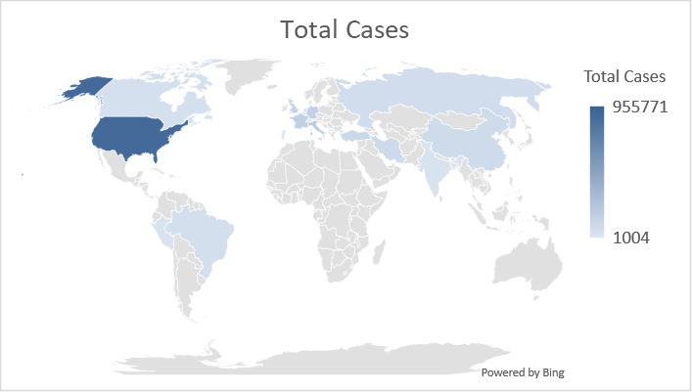
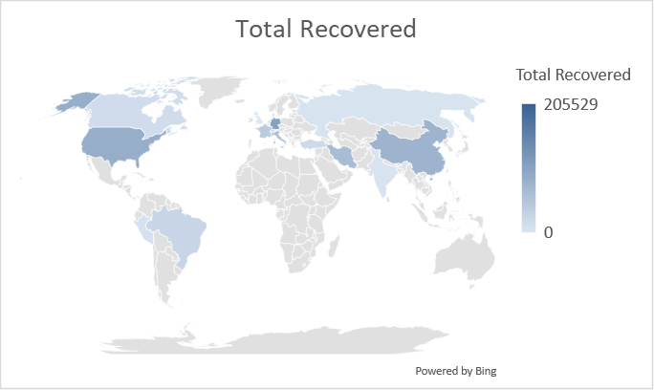
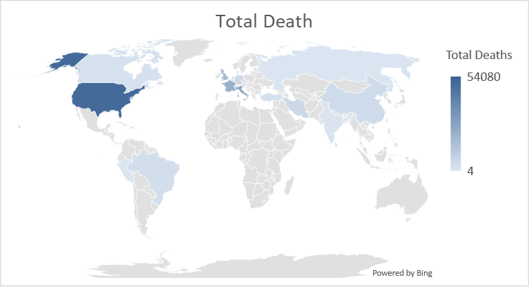

Note : - From the above graphs we can see the range of total corona affected cases , recovered and Death. The Data projects as on April 25th, 2020 and has the range of countries more than 1000 affected people.

